Sheet1
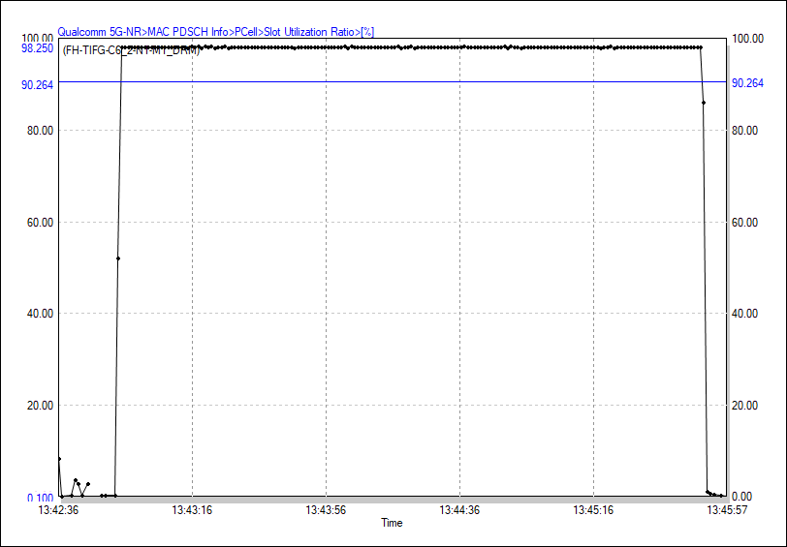
DL RB utilization

PDSCH Throughput (FH-TIFG-C6_2-N1-M1_DRM)
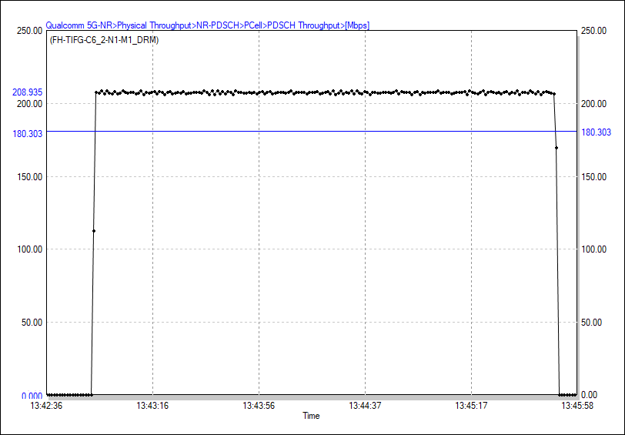

Serving SS-SINR (FH-TIFG-C6_2-N1-M1_DRM)
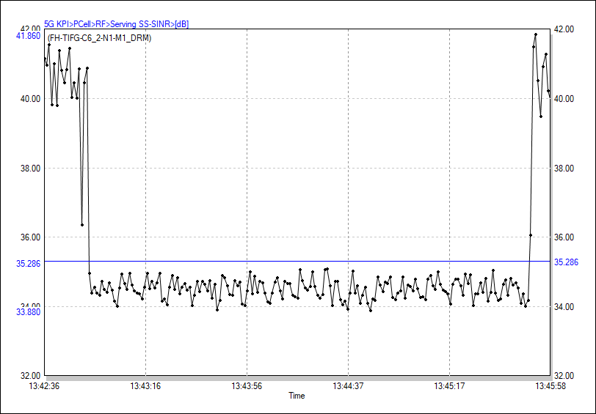

RB Num[Avg] (FH-TIFG-C6_2-N1-M1_DRM)
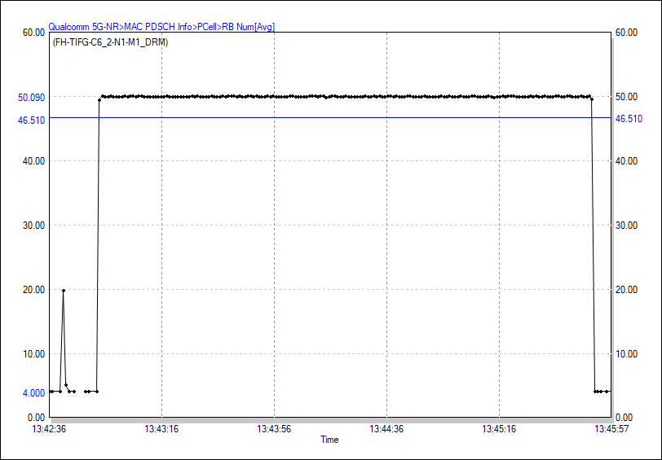

Slot Utilization Ratio (FH-TIFG-C6_2-N1-M1_DRM)

